Invoice
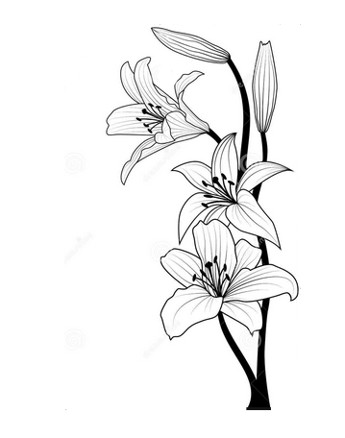 | Lizpa Landscaping, Inc. |  |  |  | PROPOSAL | 1051

 | Bill To: | Longwood Glenn HOA 5970 Scotchwood Glen Longwood, FL 32750 | Phone:
 | Address: |  | Fax: |  | Proposal Date | 2025-04-21
 | Service Address: | Longwood Glenn HOA 5970 Scotchwood Glen Longwood, FL 32750 | Email: | simonktc@gmail.com

 | Qty | Description |  |  |  | Price

 |  | 2 Palettes of 500sqft of ST. Augustine |  |  |  | $1,000.00

 | Thank you for your business!! |  |  |  | TOTAL | $1,000.00

